Pls Reply_ Harbor-Github_Info
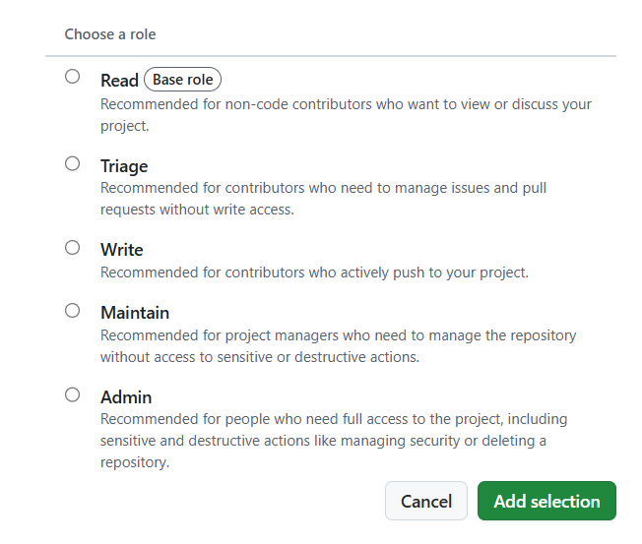
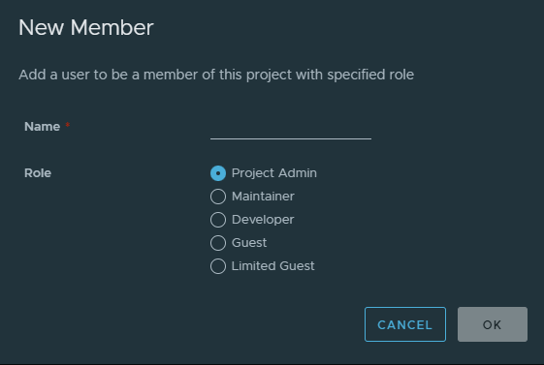
 | Harbor | https://harbor.edgesync.cloud/ | Please sign up Harbor Account & Github Account, and pls provide below info in yellow back to ACC Maintainer (Benson.chen@advantech.com.tw ) - Thanks
 | Github | https://github.com/Advantech-EdgeSync-Containers | Please Follow ACC_Listing Flow: A. Developer Release Flow 開發者發布流程 , thanks

 | Name | Email for Github Repo | Role | Github Access Level | Harbor Access level | Harbor username | Remarks
for example | Benson Chen | benson.chen@advantech.com.tw | Project Manager | Admin |  | benson.chen | Harbor username can also be Full email address
 | Lili Zheng | Lili.Zheng@advantech.com.cn | PM | Maintain | Read/Write | lili.zheng
 | lin.lei | Lin.Lei@advantech.com.cn | RD | Maintain | Read/Write | lin.lei | Harbor帳號找不到
 | mengfei.lv | Mengfei.Lv@advantech.com.cn | QA | Write | Developer (Read/Write) | mengfei.lv | Harbor帳號找不到
 | yu.fu | Yu.Fu@advantech.com.cn | PAE | Write | Developer (Read/Write) | yu.fu | Harbor帳號找不到
 | suchao.wang | suchao.wang@advantech.com.cn | RD | Write | Developer (Read/Write) | suchao.wang

 |  | Github Access Levels |  |  | Harbor Access Levels

Harbor Guide
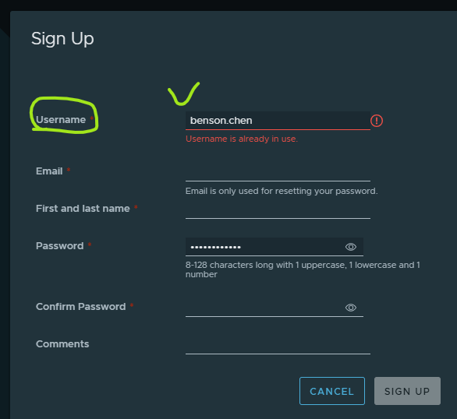
Prepare In Advance 事前準備 | [Container Developer] 1. Sign up Harbor Registry Account List 2. Provide Harbor Username (/ username list) to ACC maintainer (Benson.Chen@advantech.com.tw) [Advantech Container Catalog (ACC) Maintainer ] 1. Create container project for developer 2. Provide container project space to developer | [Container Developer] 1. Provide Github email (/ email list) to ACC maintainer (Benson.Chen@advantech.com.tw) [Advantech Container Catalog (ACC) Maintainer] 1. Create Github repo for each developer organization

Harbor User Guide
Harbor docs | Pulling and Pushing Images in the Docker Client |  | Harobr login reference

Sign up and prvoide "Username"

Container Level Define
